Task
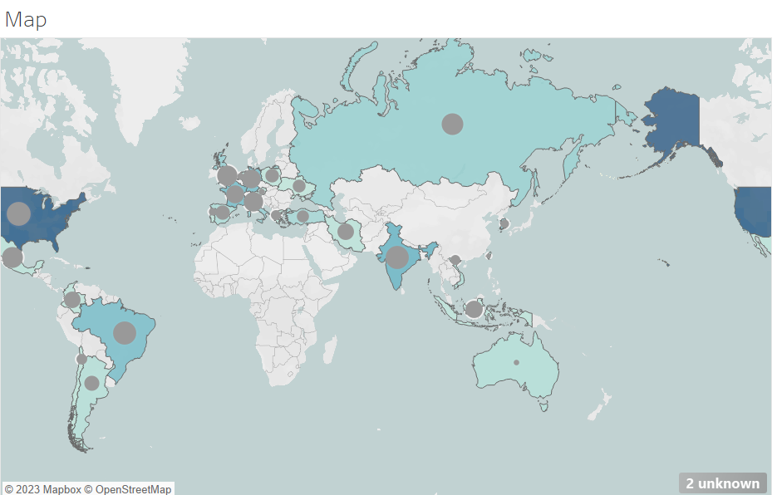
The research company has assigned you a new task to create a map chart in Tableau to represent COVID-19 data. Your Task: Create a Two-Layer Map Chart: Display both the number of COVID-19 cases and deaths on a single map. Use Marks Card: Assign different colors and sizes for each layer to distinguish between cases and deaths. Use Tableau’s visualization tools to make the map clear and informative.

Your output should look like this:

